Adapters Kit 5
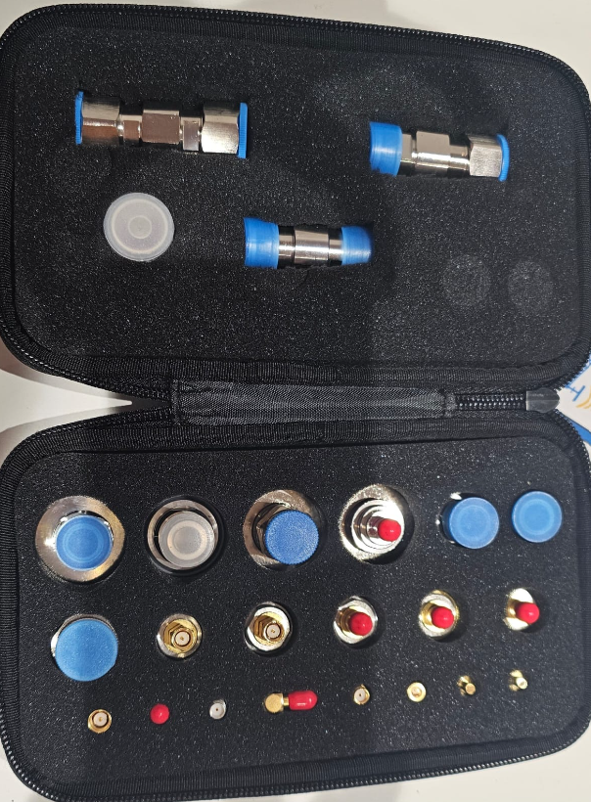
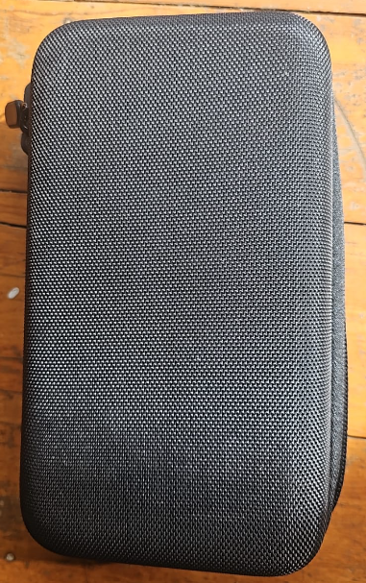
LEVELLING/TROUBLESHOOTING KIT ADAPTERS
Din Male to N Female adaptor
Din Female to N Female adaptor
Din Male to N Male adaptor
Din Male to Sma Female adaptor
4. 3-10 Male to N Male Adaptor
4. 3-10 Male to N Female Adaptor
4. 3-10 Female to N Female Adaptor
Sma Male to Sma Male Adaptor
Sma Female to Sma Female Adaptor
Sma Male to Sma Female (push on)
Sma Male to Sma Female Adaptor
Sma Male to Smb male Adaptor
Sma Female to Smb Female Adaptor
Sma Male to Smb Female Adaptor
Sma Female to Smb Male Adaptor
Sma Male to N Female Adaptor
Sma Male to N Male Adaptor
Sma Female to N Male Adaptor
Sma Female to N Female Adaptor
Sma Female to N Male (push an)
4.3-10 Male to 4.3-10 Male Adapter
4.3-10 Female to 4.3-10 Male Adapter
4.3-10 Female to 4.3-10 Female Adapter
QMA Female to N Male Adapter

